HVAC sizing letter
FOR REBATE APPROVAL ONLY
CFU Energy Services will accept this sheet with "Sizing approved for rebate" as an alternative to a Manual J and S HVAC load calculation for residential gas furnaces and air conditioner rebates.
NOTE:This spreadsheet is only used for rebate approval and is NOT an HVAC sizing calculator and cannot be used as an alternative to code-required HVAC sizing. (IRC M1401.3)
Yellow = required field | Orange = optional field | Green = calculated value

Customer Address

Building characteristics (via Black Hawk County) | Link to Black hawk county website
Year Built
Total Gross Living Area (sqft)

Equipment details
Equipment type?
Compressor technology type?

Planned installation size (Manual S size) | Link to AHRI Database
Equipment Heating capacity (BTU/hr)
Equipment Heating capacity (KW) - Res. Heating
Total cooling capacity (btu/hr) (95F)
SHR (Sensible Heat Ratio) (optional)
Total cooling sensible (BTU/hr)
Total cooling latent (BTU/hr)

Heat pump details | Link to AHRI Database
HP [Heating capacity (BTU/hr) at 47F]
HP [Heating capacity (BTU/hr) at 17F]
HP [Heating capacity (BTU/hr) at 5F] (optional)
 |  |  | Manual S insight (click to open)
RESULT
 |  |  |  | Approved | Overall approved ?
Air Conditioner/Heat Pump (Cooling) | Enter inputs in the yellow cells. |  | Sensible cooling | N/A | N/A
 |  |  | Latent cooling | N/A
 |  |  | Total cooling load | N/A

Furnace/Heat Pump (Heating): | Enter inputs in the yellow cells. |  | Heating size factor (HP) | N/A | N/A
 |  |  | Heating size factor (Furnace/Res. Heat) | N/A
 |  |  | Min compressor heating size factor | N/A

Version: 6.3.0
#VALUE!
 |  | Supp heating required | hours | Heat pump heating capacity | Building heating load | Building cooling load
 | #N/A | #N/A | 7 | #N/A | 0 | #N/A
 | #N/A | #N/A | 3 | #N/A | 0 | #N/A
 | #N/A | #N/A | 2 | #N/A | 0 | #N/A
 | #N/A | #N/A | 5 | #N/A | 0 | #N/A
 | #N/A | #N/A | 3 | #N/A | 0 | #N/A
 | #N/A | #N/A | 12 | #N/A | 0 | #N/A
 | #N/A | #N/A | 13 | #N/A | 0 | #N/A
 | 0 | 0 | 23 | #N/A | 0 | #N/A
 | 0 | 0 | 27 | #N/A | 0 | #N/A
 | 0 | 0 | 73 | #N/A | 0 | #N/A
 | 0 | 0 | 54 | #N/A | 0 | #N/A
 | 0 | 0 | 57 | #N/A | 0 | #N/A
 | 0 | 0 | 54 | #N/A | 0 | #N/A
 | 0 | 0 | 53 | #N/A | 0 | #N/A
 | 0 | 0 | 62 | #N/A | 0 | #N/A
 | 0 | 0 | 79 | #N/A | 0 | #N/A
 | 0 | 0 | 83 | #N/A | 0 | #N/A
 | 0 | 0 | 110 | #N/A | 0 | #N/A
 | 0 | 0 | 131 | #N/A | 0 | #N/A
 | 0 | 0 | 133 | 0 | 0 | #N/A
 | 0 | 0 | 153 | 0 | 0 | #N/A
 | 0 | 0 | 165 | 0 | 0 | #N/A
 | 0 | 0 | 107 | 0 | 0 | #N/A
 | 0 | 0 | 233 | 0 | 0 | #N/A
 | 0 | 0 | 235 | 0 | 0 | #N/A
 | 0 | 0 | 224 | 0 | 0 | #N/A
 | 0 | 0 | 280 | 0 | 0 | #N/A
 | 0 | 0 | 409 | 0 | 0 | #N/A
 | 0 | 0 | 246 | 0 | 0 | #N/A
 | 0 | 0 | 255 | 0 | 0 | #N/A
 | 0 | 0 | 204 | 0 | 0 | #N/A
 | 0 | 0 | 88 | 0 | 0 | #N/A
 | 0 | 0 | 247 | 0 | 0 | #N/A
 | 0 | 0 | 180 | 0 | 0 | #N/A
 | 0 | 0 | 220 | 0 | 0 | #N/A
 | #N/A | #N/A | 215 | #N/A | 0 | #N/A
 | #N/A | #N/A | 334 | #N/A | #N/A | #N/A
 | #N/A | #N/A | 252 | #N/A | #N/A | #N/A
 | #N/A | #N/A | 223 | #N/A | #N/A | #N/A
 | #N/A | #N/A | 224 | #N/A | #N/A | #N/A
 | #N/A | #N/A | 116 | #N/A | #N/A | #N/A
 | #N/A | #N/A | 254 | #N/A | #N/A | #N/A
 | #N/A | #N/A | 261 | #N/A | #N/A | #N/A
 | #N/A | #N/A | 263 | #N/A | #N/A | #N/A
 | #N/A | #N/A | 279 | #N/A | #N/A | #N/A
 | #N/A | #N/A | 381 | #N/A | #N/A | 0
 | #N/A | #N/A | 233 | #N/A | #N/A | 0
 | #N/A | #N/A | 268 | #N/A | #N/A | 0
 | #N/A | #N/A | 221 | #N/A | #N/A | 0
 | #N/A | #N/A | 115 | #N/A | #N/A | 0
...

Example
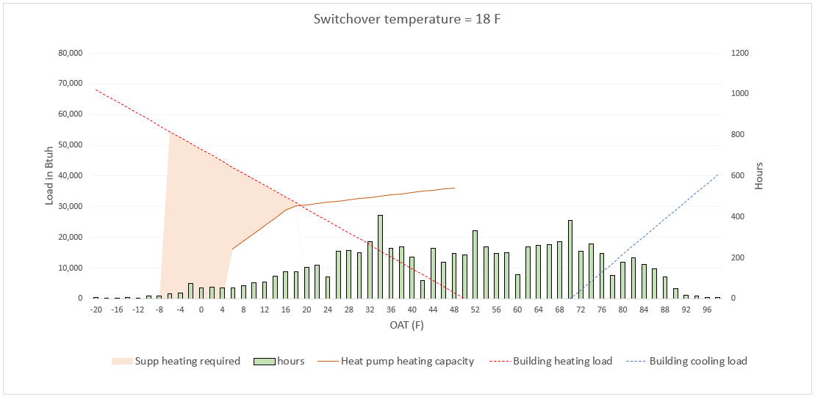
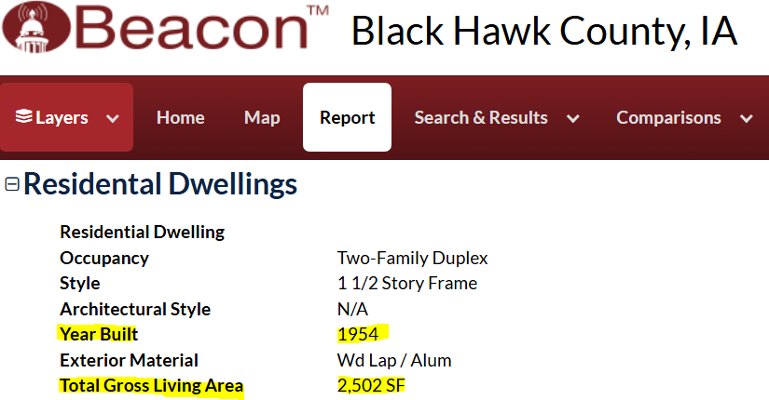
FOR REBATE APPROVAL ONLY
CFU Energy Services will accept this sheet with "Sizing approved for rebate" as an alternative to a Manual J and S HVAC load calculation for residential gas furnaces and air conditioner rebates.
NOTE:This spreadsheet is only used for rebate approval and is NOT an HVAC sizing calculator and cannot be used as an alternative to code-required HVAC sizing. (IRC M1401.3)
Yellow = required field | Orange = optional field | Green = calculated value

Customer Address | 1233 somewhere st

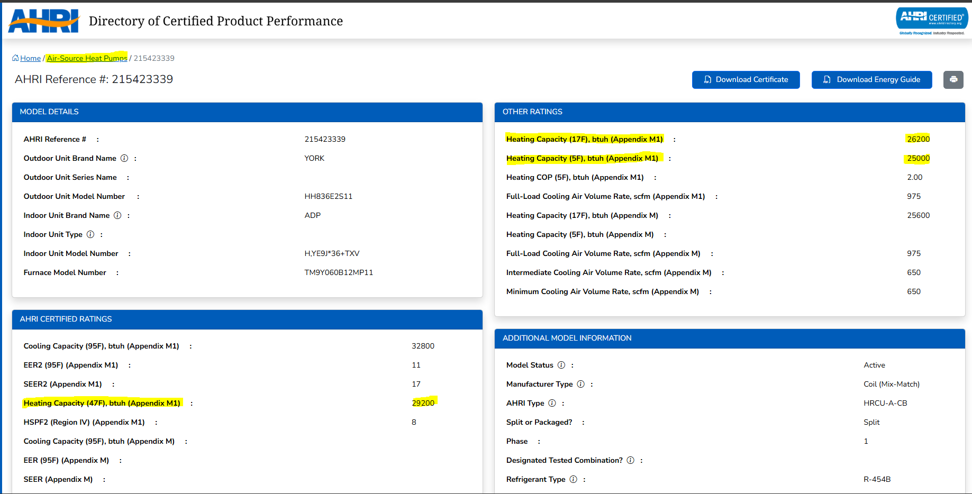
Building characteristics (via Black Hawk County) | Link to Black hawk county website
Year Built | 1963
Total Gross Living Area (sqft) | 1,852

Equipment details
Equipment type? | HP + Furnace (Dual Fuel)
Compressor technology type? | Two speed

Planned installation size (Manual S size) | Link to AHRI Database
Backup Furnace [Total heating capacity (BTU/hr)] | 75,000
N/A
HP [Total cooling capacity (btu/hr)] (95F) | 36,000
HP [SHR (Sensible Heat Ratio)] (optional) | 0.85 | <-- SHR value entered in range
HP [Total cooling sensible (BTU/hr)] | 30,600
HP [Total cooling latent (BTU/hr)] | 5,400

Heat pump details | Link to AHRI Database
HP [Heating capacity (BTU/hr) at 47F] | 36,000
HP [Heating capacity (BTU/hr) at 17F] | 30,000
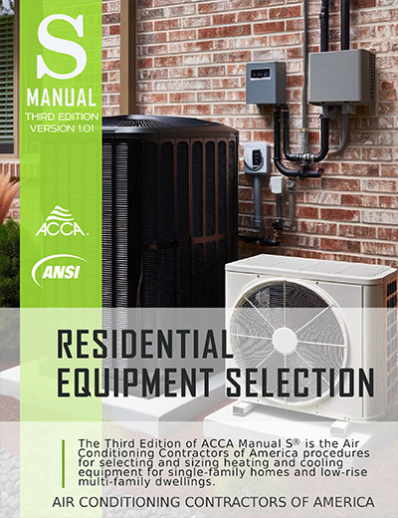
HP [Heating capacity (BTU/hr) at 5F] (optional) | 15,000
 |  |  | Manual S insight (click to open)
RESULT
 |  |  |  | Approved | Overall approved ?
Heat Pump (Cooling): | Sizing NOT approved for CFU rebate. Send your HVAC sizing to CFU Energy Servies for review. energyservices@cfunet.net |  | Sensible cooling | YES | NO
 |  |  | Latent cooling | YES
 |  |  | Total cooling load | NO

Heat Pump (Heating): | Sizing approved for rebate. CFU recommends inverter-driven technology for heat pump |  | Heating size factor (HP) | YES | YES
 |  |  | Heating size factor (Furnace) | YES
 |  |  | Min compressor heating size factor | YES

Version: 6.3.0

